SEC Institutions
UNIVERSITY OF GEORGIA
Comparison of 2018-19 Federal Pell Grant Recipients to SEC Institutions
 |  |  |  |  |  |  |  |  | Data Input
Institution | 2019 Fall Undergraduate Enrollment | # of Pell Grant Recipients 2018-19** | % With Pell Grant | Total Dollars Received 2018-19 ** | Average Award |  |  | on comparator chart also |  |  | FEDERAL PELL GRANT PROGRAM
 |  |  |  |  |  |  |  |  | OPE ID | Institution | YTD Recipients | YTD Disbursements
Mississippi State University | 18,490 | 6,448 | 34.87% | $30,158,544 | $4,677 | ü |  | … | 00100900 | Auburn University | 3,811 | $17,355,551 | ü
University of Florida | 35,491 | 11,099 | 31.27% | $54,007,912 | $4,866 | ü | * | … | 00105100 | University of Alabama | 6,229 | $27,831,192 | ü
University of Tennessee-Knoxville | 22,815 | 5,947 | 26.07% | $27,605,231 | $4,642 | ü |  | … | 00110800 | University of Arkansas | 4,805 | $21,100,318 | ü
University of Mississippi | 18,007 | 4,604 | 25.57% | $22,464,677 | $4,879 | X |  | • | 00153500 | University of Florida | 11,099 | $54,007,912 | ü
University of Kentucky | 22,136 | 5,343 | 24.14% | $24,122,139 | $4,515 | ü | * | • | 00159800 | University of Georgia | 6,674 | $31,463,054 | ü
Louisiana State University | 25,361 | 5,959 | 23.50% | $27,948,955 | $4,690 | ü |  | • | 00198900 | University of Kentucky | 5,343 | $24,122,139 | ü
University of Georgia | 29,611 | 6,674 | 22.54% | $31,463,054 | $4,714 | ü | * | … | 00201000 | Louisiana State University | 5,959 | $27,948,955 | ü
Texas A&M University | 53,743 | 12,013 | 22.35% | $56,574,491 | $4,709 | ü |  | … | 00242300 | Mississippi State University | 6,448 | $30,158,544 | ü
University of Missouri | 22,503 | 4,888 | 21.72% | $21,629,469 | $4,425 | ü |  | … | 00244000 | University of Mississippi | 4,604 | $22,464,677 | ü
University of South Carolina - Columbia | 26,733 | 5,586 | 20.90% | $25,944,130 | $4,644 | ü |  | • | 00251600 | University of Missouri | 4,888 | $21,629,469 | ü
University of Arkansas | 23,386 | 4,805 | 20.55% | $21,100,318 | $4,391 | ü | * | … | 00344800 | University of South Carolina - Columbia | 5,586 | $25,944,130 | ü
University of Alabama | 33,028 | 6,229 | 18.86% | $27,831,192 | $4,468 | ü | * | … | 00353000 | University of Tennessee-Knoxville | 5,947 | $27,605,231 | ü
Vanderbilt University | 6,861 | 1,099 | 16.02% | $5,028,174 | $4,575 | ü |  | … | 00363200 | Texas A&M University | 12,013 | $56,574,491 | ü
Auburn University | 24,628 | 3,811 | 15.47% | $17,355,551 | $4,554 | ü |  | … | 00353500 | Vanderbilt University | 1,099 | $5,028,174 | ü

Sources:
*Undergraduate enrollment data: Fact Book, Data Digest, Common Data Set or Office of Institutional Research at each institutional website. Data reflect total Undergraduate enrollment (including non-degree-seeking) as reported by each institution.
** UGA Pell data: UGA Factbook OSFA reported info. Non-UGA Pell data per Federal Student Aid website; http://studentaid.ed.gov/about/data-center/student/title-iv; Grant Volume AY 2018-19, Q4 Report (YTD tab); "2018-19 Award Year Grant Volume By School". Report run date 10/25/19.

University of Georgia: Comparison of 2018-19 Pell Grant Recipients to SEC Institutions
 |  |  |  |  |  |  | Institution | % With Pell Grant

 |  |  |  |  |  |  | Mississippi State University | 34.87%
 |  |  |  |  |  |  | University of Florida | 31.27%
 |  |  |  |  |  |  | University of Tennessee-Knoxville | 26.07%
 |  |  |  |  |  |  | University of Mississippi | 25.57%
 |  |  |  |  |  |  | University of Kentucky | 24.14%
 |  |  |  |  |  |  | Louisiana State University | 23.50%
 |  |  |  |  |  |  | University of Georgia | 22.54%
 |  |  |  |  |  |  | Texas A&M University | 22.35%
 |  |  |  |  |  |  | University of Missouri | 21.72%
 |  |  |  |  |  |  | University of South Carolina - Columbia | 20.90%
 |  |  |  |  |  |  | University of Arkansas | 20.55%
 |  |  |  |  |  |  | University of Alabama | 18.86%
 |  |  |  |  |  |  | Vanderbilt University | 16.02%
 |  |  |  |  |  |  | Auburn University | 15.47%

done 10.12.16

Start | 10/23/2019
Finish | 11/18/2019

Comparator Peer Institutions
UNIVERSITY OF GEORGIA
Comparison of 2018-19 Federal Pell Grant Recipients to Comparator Peer Institutions
 |  |  |  |  |  |  |  |  | Data Input
Institution | 2019 Fall Undergraduate Enrollment | # of Pell Grant Recipients 2018-19** | % With Pell Grant | Total Dollars Received 2018-19 ** | Average Award |  |  | on SEC Institution chart also |  |  | FEDERAL PELL GRANT PROGRAM
 |  |  |  |  |  |  |  |  | OPE ID | Institution | YTD Recipients | YTD Disbursements
SUNY At Stony Brook | 17,522 | 6,692 | 38.19% | $33,561,366 | $5,015 | ü |  | … | 00108300 | University of Arizona | 10,923 | $50,576,788 | ü
University of California, Davis | 30,872 | 11,496 | 37.24% | $56,164,975 | $4,886 | X |  | … | 00131300 | University of California, Davis | 11,496 | $56,164,975 | ü
University of Florida | 35,491 | 11,099 | 31.27% | $54,007,912 | $4,866 | ü |  | • | 00153500 | University of Florida | 11,099 | $54,007,912 | ü
University of Arizona | 35,233 | 10,923 | 31.00% | $50,576,788 | $4,630 | ü |  | • | 00159800 | University of Georgia | 6,674 | $31,528,816 | ü
Ohio State University | 46,820 | 12,972 | 27.71% | $57,638,437 | $4,443 | ü |  | … | 00180900 | Indiana University - Bloomington | 6,423 | $30,147,922 | ü
University of Kentucky | 22,136 | 5,343 | 24.14% | $24,122,139 | $4,515 | ü |  | … | 00182500 | Purdue University | 5,464 | $24,723,655 | ü
Michigan State University | 39,423 | 9,015 | 22.87% | $44,826,178 | $4,972 | ü |  | … | 00186900 | Iowa State University | 6,334 | $27,884,911 | ü
University of Georgia | 29,611 | 6,674 | 22.54% | $31,463,054 | $4,714 | ü |  | … | 00189200 | University of Iowa | 4,744 | $20,351,062 | ü
University of Missouri | 22,503 | 4,888 | 21.72% | $21,629,469 | $4,425 | ü |  | • | 00198900 | University of Kentucky | 5,343 | $24,122,139 | ü
North Carolina State University | 25,199 | 5,442 | 21.60% | $24,469,453 | $4,496 | ü |  | … | 00210300 | University of Maryland - College Park | 5,954 | $27,278,493 | ü
Iowa State University | 29,621 | 6,334 | 21.38% | $27,884,911 | $4,402 | ü |  | … | 00229000 | Michigan State University | 9,015 | $44,826,178 | ü
University of Iowa | 23,989 | 4,744 | 19.78% | $20,351,062 | $4,290 | ü |  | • | 00251600 | University of Missouri | 4,888 | $21,629,469 | ü
University of Maryland - College Park | 30,762 | 5,954 | 19.36% | $27,278,493 | $4,582 | ü |  | … | 00283800 | SUNY At Stony Brook | 6,692 | $33,561,366 | ü
Indiana University - Bloomington | 33,301 | 6,423 | 19.29% | $30,147,922 | $4,694 | ü |  | … | 00297200 | North Carolina State University | 5,442 | $24,469,453 | ü
Purdue University | 32,672 | 5,464 | 16.72% | $24,723,655 | $4,525 | ü |  | … | 00309000 | Ohio State University | 12,972 | $57,638,437 | ü
Virginia Polytechnic Institute | 27,811 | 4,374 | 15.73% | $19,892,484 | $4,548 | ü |  | … | 00375400 | Virginia Polytechnic Institute | 4,374 | $19,892,484 | ü

Sources:
*Undergraduate enrollment data: Fact Book, Data Digest, Common Data Set or office of Institutional Research at each institutional website. Data reflect total Undergraduate enrollment (including non-degree-seeking) as reported by each institution.
** UGA Pell data: UGA Factbook OSFA reported info. Non-UGA Pell data per Federal Student Aid website; http://studentaid.ed.gov/about/data-center/student/title-iv; Grant Volume AY 2018-19, Q4 Report (YTD tab); "2018-19 Award Year Grant Volume By School". Report run date 11/10/19.
***Data not currently available:
University of Georgia: Comparison of 2018-19 Pell Grant Recipients to Comparator Peer Institutions
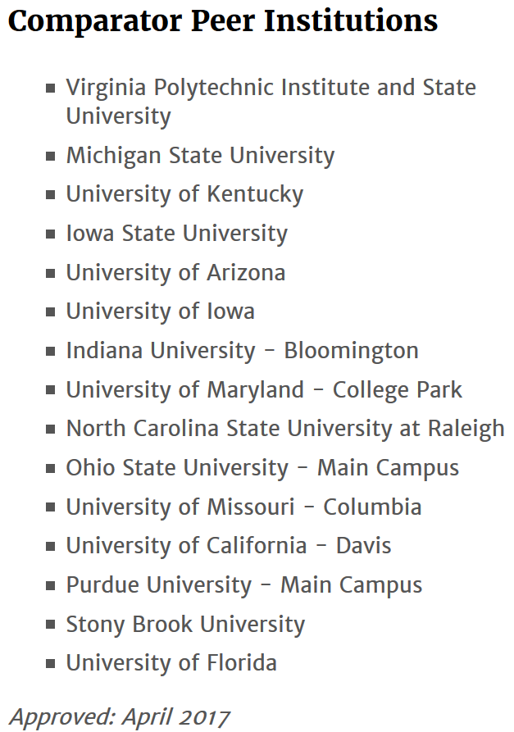
 |  |  |  |  |  |  | Institution | % With Pell Grant
 |  |  |  |  |  |  | SUNY At Stony Brook | 38.19%
 |  |  |  |  |  |  | University of California, Davis | 37.24%
 |  |  |  |  |  |  | University of Florida | 31.27%
 |  |  |  |  |  |  | University of Arizona | 31.00%
 |  |  |  |  |  |  | Ohio State University | 27.71%
 |  |  |  |  |  |  | University of Kentucky | 24.14%
 |  |  |  |  |  |  | Michigan State University | 22.87%
 |  |  |  |  |  |  | University of Georgia | 22.54%
 |  |  |  |  |  |  | University of Missouri | 21.72%
 |  |  |  |  |  |  | North Carolina State University | 21.60%
 |  |  |  |  |  |  | Iowa State University | 21.38%
 |  |  |  |  |  |  | University of Iowa | 19.78%
 |  |  |  |  |  |  | University of Maryland - College Park | 19.36%
 |  |  |  |  |  |  | Indiana University - Bloomington | 19.29%
 |  |  |  |  |  |  | Purdue University | 16.72%
 |  |  |  |  |  |  | Virginia Polytechnic Institute | 15.73%

 | Start | 2019-10-23
 | Finish | 2019-11-18

Aspirational Peer Inst
UNIVERSITY OF GEORGIA
Comparison of 2018-19 Federal Pell Grant Recipients to Aspirational Peer Institutions
 |  |  |  |  |  |  |  |  | Data Input
Institution | 2019 Fall Undergraduate Enrollment | # of Pell Grant Recipients 2018-19** | % With Pell Grant | Total Dollars Received 2018-19 ** | Average Award |  |  |  |  |  | FEDERAL PELL GRANT PROGRAM
 |  |  |  |  |  |  |  |  | OPE ID | Institution | YTD Recipients | YTD Disbursements
Pennsylvania State University | 40,363 | 19,390 | 48.04% | $82,388,403 | $4,249 | ü |  | 1 | 00131200 | University of California, Berkeley | 8,830 | $43,947,868 | ü
University of California, Los Angeles | 31,577 | 10,764 | 34.09% | $55,671,484 | $5,172 | ü |  | 2 | 00131500 | University of California, Los Angeles | 10,764 | $55,671,484 | ü
University of California, Berkeley | 30,853 | 8,830 | 28.62% | $43,947,868 | $4,977 | ü |  | 3 | 00159800 | University of Georgia | 6,674 | $31,528,816 | ü
University of Texas - Austin | 40,804 | 9,671 | 23.70% | $46,330,511 | $4,791 | ü |  | 4 | 00177500 | University of Illinois - Urbana-Champaign | 8,033 | $39,649,785 | ü
University of Illinois - Urbana-Champaign | 33,915 | 8,033 | 23.69% | $39,649,785 | $4,936 | ü |  | 5 | 00232500 | University of Michigan | 5,589 | $26,109,881 | ü
University of Georgia | 29,611 | 6,674 | 22.54% | $31,463,054 | $4,714 | ü |  | 6 | 00332900 | Pennsylvania State University | 19,390 | $82,388,403 | ü
University of Minnesota - Twin Cities | 34,633 | 6,866 | 19.83% | $29,731,488 | $4,330 | ü |  | 7 | 00365800 | University of Texas - Austin | 9,671 | $46,330,511 | ü
University of Michigan | 30,318 | 5,589 | 18.43% | $26,109,881 | $4,672 | ü |  | 8 | 00374500 | University of Virginia | 2,309 | $10,962,924 | ü
University of Wisconsin - Madison | 32,648 | 4,573 | 14.01% | $21,061,549 | $4,606 | ü |  | 9 | 00389500 | University of Wisconsin - Madison | 4,573 | $21,061,549 | ü
University of Virginia | 16,777 | 2,309 | 13.76% | $10,962,924 | $4,748 | ü |  | 10 | 00396900 | University of Minnesota - Twin Cities | 6,866 | $29,731,488 | ü

University of Georgia: Comparison of 2018-19 Pell Grant Recipients to Aspirational Peer Institutions
Sources:
*Undergraduate enrollment data: Fact Book, Data Digest, Common Data Set or office of Institutional Research at each institutional website. Data reflect total Undergraduate enrollment (including non-degree-seeking) as reported by each institution.
** UGA Pell data: UGA Factbook OSFA reported info. Non-UGA Pell data per Federal Student Aid website; http://studentaid.ed.gov/about/data-center/student/title-iv; Grant Volume AY 2018-19, Q4 Report (YTD tab); "2018-19 Award Year Grant Volume By School". Report run date 11/10/19.

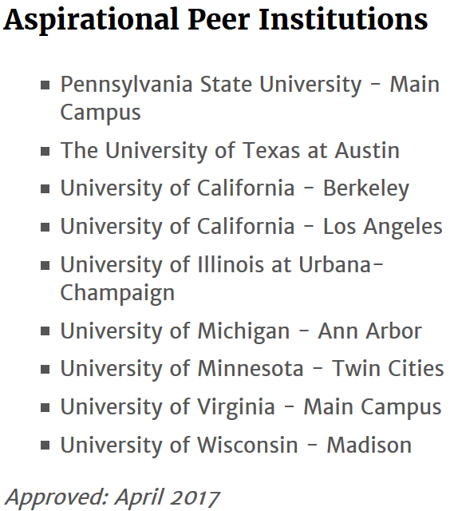
 |  |  |  |  |  |  | Institution | % With Pell Grant
 |  |  |  |  |  |  | Pennsylvania State University | 48.04%
 |  |  |  |  |  |  | University of California, Los Angeles | 34.09%
 |  |  |  |  |  |  | University of California, Berkeley | 28.62%
 |  |  |  |  |  |  | University of Texas - Austin | 23.70%
 |  |  |  |  |  |  | University of Illinois - Urbana-Champaign | 23.69%
 |  |  |  |  |  |  | University of Georgia | 22.54%
 |  |  |  |  |  |  | University of Minnesota - Twin Cities | 19.83%
 |  |  |  |  |  |  | University of Michigan | 18.43%
 |  |  |  |  |  |  | University of Wisconsin - Madison | 14.01%
 |  |  |  |  |  |  | University of Virginia | 13.76%

 | Start | 2019-10-23
 | Finish | 2019-11-18

